Invoice
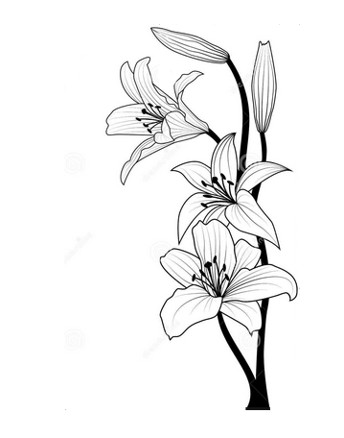 | Lizpa Landscaping, Inc. |  |  |  | Proposal | 1069

 | Bill To: | Blossom Corner Apartments Loretta Samuels | Phone: | 407-282-3791
 | Address: |  | Fax:
 | Service Address: | 2143 Raper Dairy Rd. Orlando, FL 32822 | Email: | loretta.samuels@xenaintl.com | Proposal Date: | 2026-03-23

 | Qty | Description |  |  |  | Price

 |  | Additional Palm Tree trimmings |  |  |  | $1,375.00
 |  | 55 trees @ $25 each

 | Make all checks payable to Lizpa Landscaping, Inc. 141 Sunset Dr. Longwood, FL 32750
 | Thank you for your business!! |  |  |  |  | $1,375.00

